Issue Screenshot
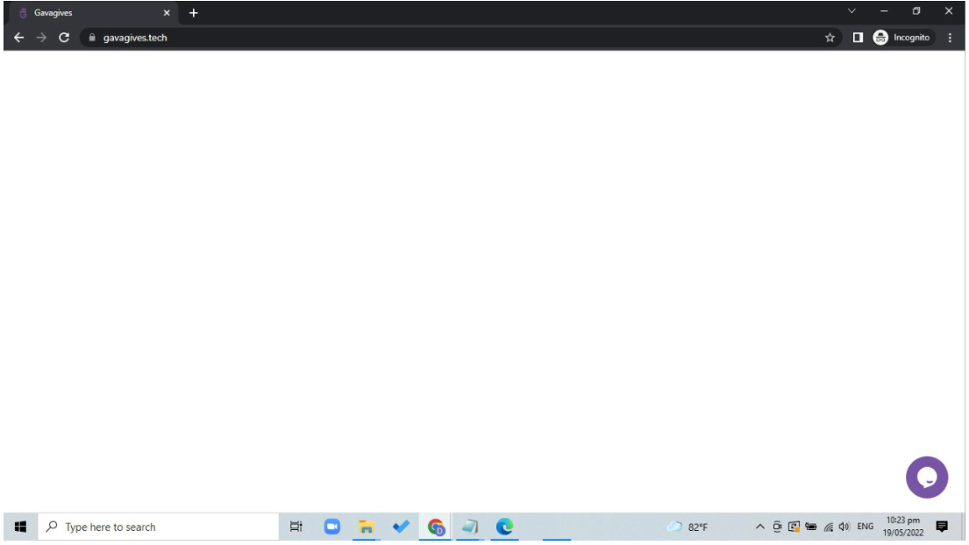
After logging in, only whitescreen appeared

